Sheet1
Problem | Solution

Error Msg | Either reinitialize subscription i.e (create new snapshot for each publication)
Could not find stored procedure 'sp_MS%' [USP Name]. (Source: MSSQLServer, Error number: 2812) | if it not feasible
When we get error like this in oursubscription job | Connect Publication server
This error showing some create delete update related usp for each articles in publication is dropped from subscriber database | use Publication database
to resolve this either apply solution which expalin next or just reinitialize subscription to create those usp's | Exec sp_scriptpublicationcustomprocs 'Publication Name'
 | Copy the result op
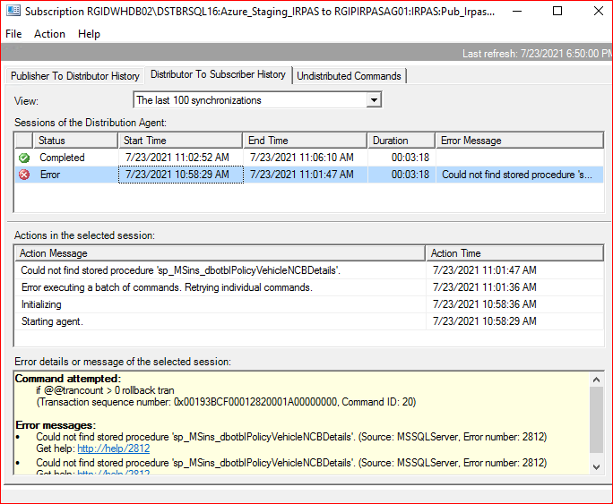
 | Connect Subscriber Server
 | Use Susbcriber Database
 | Exec sp_scriptpublicationcustomprocs 'Publication Name'
 | Create USP's by executing op result of (sp_scriptpublicationcustomprocs ) from publication database

